Tanimoto Similarity
 | Atenolol | Ibuprofen | Sulfamethoxazole
Hydrogenophaga sp. PBC | 0.36585365854
Nitrobacter winogradskyi | 0.36585365854
Nitrosomonas europaea | 0.23404255319
Novosphingobium aromaticivorans | 0.4
Sphingobium yanoikuyae | 0.4
Trametes versicolor | 0.4
Acinetobacter junii | 0.225
Pseudomonas psychrophila | 0.225
Sphingobacterium mizutaii | 0.225

Normalized Removal Rate in mmol
 | Atenolol | Ibuprofen | Sulfamethoxazole
Hydrogenophaga sp. PBC | 2.1446
Nitrobacter winogradskyi | 0.0433
Nitrosomonas europaea | 2.8159
Novosphingobium aromaticivorans | 133.3139
Sphingobium yanoikuyae | 1211.9449
Trametes versicolor | 387.8224
Acinetobacter junii | 454.8326
Pseudomonas psychrophila | 16.9279
Sphingobacterium mizutaii | 26.4727

Top 50 Average mmol
 | Removal Rate mmol/L/d | Atenolol | Ibuprofen | Sulfamethoxazole | Top 50
Hydrogenophaga sp. PBC | 2.1446 |  |  |  | 0.19019570928
Nitrobacter winogradskyi | 0.0433 |  |  |  | 0.18401871551
Nitrosomonas europaea | 2.8159 |  |  |  | 0.17410728695
Novosphingobium aromaticivorans | 133.3139 |  |  |  | 0.26265932487
Sphingobium yanoikuyae | 1211.9449 |  |  |  | 0.26361664544
Trametes versicolor | 387.8224 |  |  |  | 0.25428413971
Acinetobacter junii | 454.8326 |  |  |  | 0.13408533325
Pseudomonas psychrophila | 16.9279 |  |  |  | 0.13564468589
Sphingobacterium mizutaii | 26.4727 |  |  |  | 0.13231804605

Best Molecular Similarity (BMS)
Molecular Similarity Results |  |  |  |  |  |  |  |  | Average |  |  | Geometric mean
Bacterial Strain | KEGG Id | IUPAC Name | Tanimoto Similarity | Visualization | Removal Rate mmol/L/d | Removal Rate mg/L/d | Molecular weight | Removal Rate mmol/L/d | Top 10 | Top 25 | Top 50 | Top 10 | Top 25 | Top 50
Hydrogenophaga sp. PBC | C02505 | 2-Phenylacetamide | 0.36585365854 | 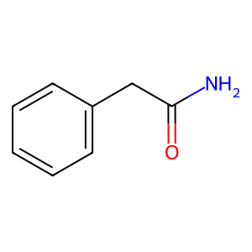 | 2.1446 | 0.5712 | 266.34 | 2.1446 | 0.23546333437 | 0.2086577675 | 0.19019570928 | 0.2322099162 | 0.20624669483 | 0.18816989881
Nitrobacter winogradskyi | C02505 | 2-Phenylacetamide | 0.36585365854 |  | 0.0433 | 0.01152 | 266.34 | 0.0433 | 0.22698474466 | 0.20111486755 | 0.18401871551 | 0.22324989327 | 0.19865826675 | 0.18208342865
Nitrosomonas europaea | C01179 | 4-Hydroxyphenylpyruvate | 0.23404255319 | 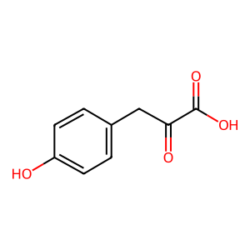 | 2.8159 | 0.75 | 266.34 | 2.8159 | 0.20629868012 | 0.18742939044 | 0.17410728695 | 0.20585512061 | 0.18660117008 | 0.17318118674
Novosphingobium aromaticivorans | C00082 | L-Tyrosine | 0.4 | 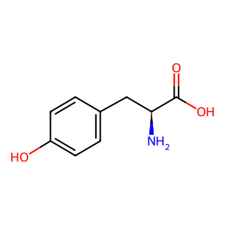 | 133.3139 | 27.5 | 206.28 | 133.3139 | 0.3244459778 | 0.28967626863 | 0.26265932487 | 0.32243973403 | 0.28745438405 | 0.26018179184
Sphingobium yanoikuyae | C00082 | L-Tyrosine | 0.4 |  | 1211.9449 | 250 | 206.28 | 1211.9449 | 0.32986750125 | 0.29070202087 | 0.26361664544 | 0.32734727875 | 0.28798025322 | 0.26091655778
Trametes versicolor | C00082 | L-Tyrosine | 0.4 |  | 387.8224 | 80 | 206.28 | 387.8224 | 0.32204478883 | 0.28109099824 | 0.25428413971 | 0.31961338036 | 0.27817367391 | 0.25147451435
Acinetobacter junii | C00568 | 4-Aminobenzoate | 0.225 | 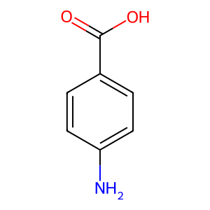 | 454.8326 | 115.2 | 253.28 | 454.8326 | 0.15872883058 | 0.1446141052 | 0.13408533325 | 0.15708417118 | 0.14352762167 | 0.13313830127
Pseudomonas psychrophila | C00568 | 4-Aminobenzoate | 0.225 |  | 16.9279 | 4.2875 | 253.28 | 16.9279 | 0.16214470433 | 0.14683144748 | 0.13564468589 | 0.16054241157 | 0.14569125635 | 0.13462591361
Sphingobacterium mizutaii | C00568 | 4-Aminobenzoate | 0.225 |  | 26.4727 | 6.705 | 253.28 | 26.4727 | 0.15531757774 | 0.14213364882 | 0.13231804605 | 0.15385659009 | 0.14117590272 | 0.13147389704

 | Atenolol
 | Ibuprofen
 | Sulfamethoxazole

Removal Rate predictor
 |  |  |  | Molecular Similarity Results (Sorted)
Microbial Strain | Pharmaceutical | Molecule | Tanimoto Similarity | Images
Hydrogenophaga sp. PBC | Atenolol | C02505.mol | 0.36585365854
 | Carbamazepine | C01606.mol | 0.32142857143 | 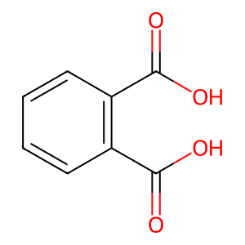
 | Ibuprofen | C00082.mol | 0.4
 | Sulfamethoxazole | C00568.mol | 0.225
Nitrobacter winogradskyi | Atenolol | C02505.mol | 0.36585365854
 | Carbamazepine | C02505.mol | 0.3125
 | Ibuprofen | C00082.mol | 0.4
 | Sulfamethoxazole | C00568.mol | 0.225
Nitrosomonas europaea | Atenolol | C01179.mol | 0.23404255319
 | Carbamazepine | C00108.mol | 0.27272727273 | 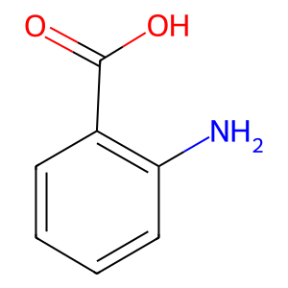
 | Ibuprofen | C00082.mol | 0.4
 | Sulfamethoxazole | C00568.mol | 0.225
Novosphingobium aromaticivorans | Atenolol | C02505.mol | 0.36585365854
 | Carbamazepine | C02505.mol | 0.3125
 | Ibuprofen | C00082.mol | 0.4
 | Sulfamethoxazole | C00568.mol | 0.225
Sphingobium yanoikuyae | Atenolol | C02505.mol | 0.36585365854
 | Carbamazepine | C02505.mol | 0.3125
 | Ibuprofen | C00082.mol | 0.4
 | Sulfamethoxazole | C00568.mol | 0.225
Trametes versicolor | Atenolol | C02505.mol | 0.36585365854
 | Carbamazepine | C02505.mol | 0.3125
 | Ibuprofen | C00082.mol | 0.4
 | Sulfamethoxazole | C00568.mol | 0.225
Acinetobacter junii | Atenolol | C02505.mol | 0.36585365854
 | Carbamazepine | C02505.mol | 0.3125
 | Ibuprofen | C00082.mol | 0.4
 | Sulfamethoxazole | C00568.mol | 0.225
Pseudomonas psychrophila | Atenolol | C02505.mol | 0.36585365854
 | Carbamazepine | C02505.mol | 0.3125
 | Ibuprofen | C00082.mol | 0.4
 | Sulfamethoxazole | C00568.mol | 0.225
Sphingobacterium mizutaii | Atenolol | C02505.mol | 0.36585365854
 | Carbamazepine | C02505.mol | 0.3125
 | Ibuprofen | C00082.mol | 0.4
 | Sulfamethoxazole | C00568.mol | 0.225

